Cover Sheet T11 - Supplemental
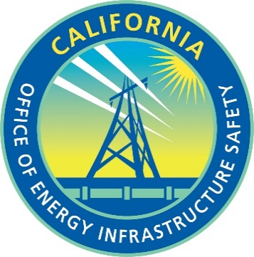
Energy Safety Data Guidelines, Appendix D
Wildifire Mitigation Data Tables
SUPPLEMENTAL Template: Table 11

Replace "X" with electrical corporation name in the table below.
Electrical Corporation Name | Trans Bay Cable LLC
First year of 3-year WMP cycle | 2023
Reporting Period year | 2023
Reporting Period quarter | Q4
Date Modified | 2024-03-05

