Cover Sheet Tables 1-12
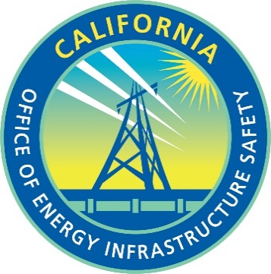
Proposed Final
Energy Safety Data Guidelines Appendix D, Section 1.2
Wildifire Mitigation Data Tables Template: Tables 1 - 15

Update the below table to establish which reporting period this submission this represents.
Utility Name | Trans Bay Cable
First year of 3-year WMP cycle | 2023
Reporting Period year | 2022
Reporting Period quarter | Q4
Date Modified | 2023-02-01

