Summary w Work Id
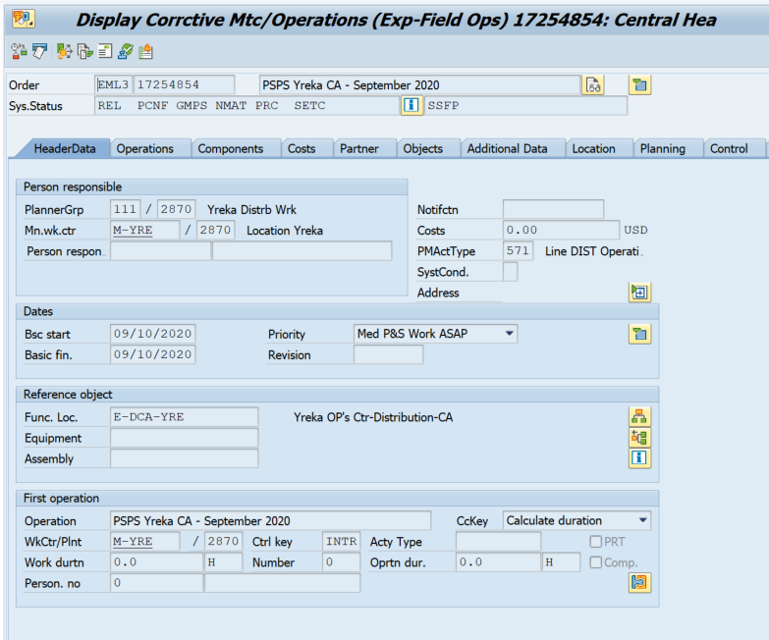
Subcompany Name | Year | State Name | District Name | Work Code | Work ID | Total Cost | Foreman Name | Crew Code | Total Mnhr | Total Trees | Total Miles | Prunes | Total Removals | Brush Removed | 4 - 11 Removed | 12 - 23 Removed | 24 Removed | #TGR Applications | #Poles Cleared | #Poles Treated | $ per Man Hr | $ per Tree | $ per Mile | $ per Prune | MH per Mile | MH per Prune | MH per Tree | Trees/Mile | WRK Included/Excluded
Pacific Power | 2021 | CALIFORNIA | MT SHASTA | WRK | 17254854 | $15,479 | ALDRIN BORGES | M13 | 96 | 49 |  | 29 | 20 | 0 | 9 | 7 | 4 | 0 | 0 | 0 | $161.24 | $315.90 |  | $309.02 |  | 1.92 | 1.96 |  | INCLUDED
Pacific Power | 2021 | CALIFORNIA | MT SHASTA | WRK | 17254854 | $13,843 | ALIOSKY PEREZ | M14 | 88 | 42 |  | 27 | 15 | 0 | 8 | 4 | 3 | 0 | 0 | 0 | $157.31 | $329.59 |  | $280.53 |  | 1.78 | 2.10 |  | INCLUDED
Pacific Power | 2021 | CALIFORNIA | MT SHASTA | WRK | 17254854 | $4,654 | HECTOR VASQUEZ | M32 | 38 | 0 |  | 0 | 0 | 0 | 0 | 0 | 0 | 0 | 0 | 0 | $122.48 | $0.00 |  | $0.00 |  | 0.00 | 0.00 |  | INCLUDED
Pacific Power | 2021 | CALIFORNIA | MT SHASTA | WRK | 17254854 | $16,033 | HUMBERTO ALVAREZ | M11 | 100 | 44 |  | 31 | 13 | 0 | 6 | 5 | 2 | 0 | 0 | 0 | $160.33 | $364.39 |  | $308.65 |  | 1.93 | 2.27 |  | INCLUDED
Pacific Power | 2021 | CALIFORNIA | MT SHASTA | WRK | 17254854 | $11,643 | ISMAEL SIGAREN | M27 | 76 | 30 |  | 25 | 5 | 0 | 2 | 2 | 1 | 0 | 0 | 0 | $153.19 | $388.08 |  | $334.72 |  | 2.19 | 2.53 |  | INCLUDED
Pacific Power | 2021 | CALIFORNIA | MT SHASTA | WRK | 17254854 | $1,064 | JARROD LIAL | 011 | 19 | 0 |  | 0 | 0 | 0 | 0 | 0 | 0 | 0 | 0 | 0 | $56.00 | $0.00 |  | $0.00 |  | 0.00 | 0.00 |  | INCLUDED
Pacific Power | 2021 | CALIFORNIA | MT SHASTA | WRK | 17254854 | $467 | JOHN COX | 020 | 7 | 0 |  | 0 | 0 | 0 | 0 | 0 | 0 | 0 | 0 | 0 | $66.68 | $0.00 |  | $0.00 |  | 0.00 | 0.00 |  | INCLUDED
Pacific Power | 2021 | CALIFORNIA | MT SHASTA | WRK | 17254854 | $585 | JORDAN MCMILLAN | 009 | 10 | 0 |  | 0 | 0 | 0 | 0 | 0 | 0 | 0 | 0 | 0 | $58.48 | $0.00 |  | $0.00 |  | 0.00 | 0.00 |  | INCLUDED
Pacific Power | 2021 | CALIFORNIA | MT SHASTA | WRK | 17254854 | $11,636 | JOSE CAMPOS | M31 | 96 | 14 |  | 14 | 0 | 0 | 0 | 0 | 0 | 0 | 0 | 0 | $121.21 | $831.16 |  | $831.16 |  | 6.86 | 6.86 |  | INCLUDED
Pacific Power | 2021 | CALIFORNIA | MT SHASTA | WRK | 17254854 | $558 | JOSH SPARACIO | 019 | 7 | 0 |  | 0 | 0 | 0 | 0 | 0 | 0 | 0 | 0 | 0 | $79.72 | $0.00 |  | $0.00 |  | 0.00 | 0.00 |  | INCLUDED
Pacific Power | 2021 | CALIFORNIA | MT SHASTA | WRK | 17254854 | $6,208 | MANUEL RAMIREZ | M28 | 48 | 12 |  | 11 | 1 | 0 | 0 | 1 | 0 | 0 | 0 | 0 | $129.34 | $517.36 |  | $356.46 |  | 2.76 | 4.00 |  | INCLUDED
Pacific Power | 2021 | CALIFORNIA | MT SHASTA | WRK | 17254854 | $6,231 | MEGAN TRUJILLO | 010 | 112 | 0 |  | 0 | 0 | 0 | 0 | 0 | 0 | 0 | 0 | 0 | $55.51 | $0.00 |  | $0.00 |  | 0.00 | 0.00 |  | INCLUDED
Pacific Power | 2021 | CALIFORNIA | MT SHASTA | WRK | 17254854 | $14,596 | ORLANDO PEREZ | M12 | 92 | 18 |  | 4 | 14 | 0 | 8 | 4 | 2 | 0 | 0 | 0 | $158.66 | $810.91 |  | $2,056.76 |  | 12.96 | 5.11 |  | INCLUDED
Pacific Power | 2021 | CALIFORNIA | MT SHASTA | WRK | 17254854 | $7,560 | RUDY RAMIREZ | M29 | 72 | 13 |  | 13 | 0 | 0 | 0 | 0 | 0 | 0 | 0 | 0 | $105.00 | $581.51 |  | $581.51 |  | 5.54 | 5.54 |  | INCLUDED
Pacific Power | 2021 | CALIFORNIA | MT SHASTA | WRK | 17254854 | $19,717 | SAUL CALDERON | M17 | 132 | 34 |  | 22 | 12 | 0 | 8 | 4 | 0 | 0 | 0 | 0 | $149.37 | $579.91 |  | $432.30 |  | 2.89 | 3.88 |  | INCLUDED
Pacific Power | 2021 | CALIFORNIA | MT SHASTA | WRK | 17254854 | $4,270 | STEPHEN WINTER 1 | 223 | 29 | 0 |  | 0 | 0 | 0 | 0 | 0 | 0 | 0 | 0 | 0 | $147.23 | $0.00 |  | $0.00 |  | 0.00 | 0.00 |  | INCLUDED
Pacific Power | 2021 | CALIFORNIA | MT SHASTA | WRK | 17254854 | $3,534 | TREES INC | M01 | 24 | 0 |  | 0 | 0 | 0 | 0 | 0 | 0 | 0 | 0 | 0 | $147.23 | $0.00 |  | $0.00 |  | 0.00 | 0.00 |  | INCLUDED
Pacific Power | 2021 | CALIFORNIA | MT SHASTA | WRK | 17254854 | $13,843 | YUSMEL CUOTO | M15 | 88 | 43 |  | 27 | 16 | 0 | 6 | 6 | 4 | 0 | 0 | 0 | $157.31 | $321.93 |  | $256.35 |  | 1.63 | 2.05 |  | INCLUDED
Pacific Power | 2021 | CALIFORNIA | YREKA | WRK | 17254854 | $6,214 | ALDRIN BORGES | M13 | 40 | 11 |  | 8 | 3 | 0 | 0 | 3 | 0 | 0 | 0 | 0 | $155.36 | $564.93 |  | $431.54 |  | 2.78 | 3.64 |  | INCLUDED
Pacific Power | 2021 | CALIFORNIA | YREKA | WRK | 17254854 | $10,954 | ALIOSKY PEREZ | M14 | 70 | 21 |  | 17 | 4 | 0 | 2 | 1 | 1 | 0 | 0 | 0 | $156.48 | $521.61 |  | $444.90 |  | 2.84 | 3.33 |  | INCLUDED
Pacific Power | 2021 | CALIFORNIA | YREKA | WRK | 17254854 | $22,122 | CESAR CASTILLO | M26 | 120 | 25 |  | 0 | 25 | 0 | 0 | 10 | 15 | 0 | 0 | 0 | $184.35 | $884.87 |  | $0.00 |  | 0.00 | 4.80 |  | INCLUDED
Pacific Power | 2021 | CALIFORNIA | YREKA | WRK | 17254854 | $2,141 | HECTOR VASQUEZ | M32 | 14 | 0 |  | 0 | 0 | 0 | 0 | 0 | 0 | 0 | 0 | 0 | $152.94 | $0.00 |  | $0.00 |  | 0.00 | 0.00 |  | INCLUDED
Pacific Power | 2021 | CALIFORNIA | YREKA | WRK | 17254854 | $6,536 | HUMBERTO ALVAREZ | M11 | 36 | 9 |  | 8 | 1 | 0 | 0 | 1 | 0 | 0 | 0 | 0 | $181.56 | $726.23 |  | $544.68 |  | 3.00 | 4.00 |  | INCLUDED
Pacific Power | 2021 | CALIFORNIA | YREKA | WRK | 17254854 | $5,434 | ISMAEL SIGAREN | M27 | 28 | 7 |  | 0 | 7 | 0 | 0 | 5 | 2 | 0 | 0 | 0 | $194.08 | $776.32 |  | $0.00 |  | 0.00 | 4.00 |  | INCLUDED
Pacific Power | 2021 | CALIFORNIA | YREKA | WRK | 17254854 | $10,345 | JOSE CAMPOS | M31 | 56 | 25 |  | 0 | 25 | 0 | 10 | 15 | 0 | 0 | 0 | 0 | $184.73 | $413.79 |  | $0.00 |  | 0.00 | 2.24 |  | INCLUDED
Pacific Power | 2021 | CALIFORNIA | YREKA | WRK | 17254854 | $3,226 | JULIAN PINO | M16 | 20 | 0 |  | 0 | 0 | 0 | 0 | 0 | 0 | 0 | 0 | 0 | $161.30 | $0.00 |  | $0.00 |  | 0.00 | 0.00 |  | INCLUDED
Pacific Power | 2021 | CALIFORNIA | YREKA | WRK | 17254854 | $3,907 | ORLANDO PEREZ | M12 | 20 | 9 |  | 9 | 0 | 0 | 0 | 0 | 0 | 0 | 0 | 0 | $195.37 | $434.14 |  | $434.14 |  | 2.22 | 2.22 |  | INCLUDED
Pacific Power | 2021 | CALIFORNIA | YREKA | WRK | 17254854 | $5,610 | SAUL CALDERON | M17 | 30 | 8 |  | 8 | 0 | 0 | 0 | 0 | 0 | 0 | 0 | 0 | $186.99 | $701.20 |  | $701.20 |  | 3.75 | 3.75 |  | INCLUDED
Pacific Power | 2021 | CALIFORNIA | YREKA | WRK | 17254854 | $3,604 | TREES INC | M01 | 24 | 0 |  | 0 | 0 | 0 | 0 | 0 | 0 | 0 | 0 | 0 | $150.15 | $0.00 |  | $0.00 |  | 0.00 | 0.00 |  | INCLUDED
Pacific Power | 2021 | CALIFORNIA | YREKA | WRK | 17254854 | $4,335 | YUSMEL CUOTO | M15 | 24 | 7 |  | 7 | 0 | 0 | 0 | 0 | 0 | 0 | 0 | 0 | $180.64 | $619.33 |  | $619.33 |  | 3.43 | 3.43 |  | INCLUDED

